MP2307
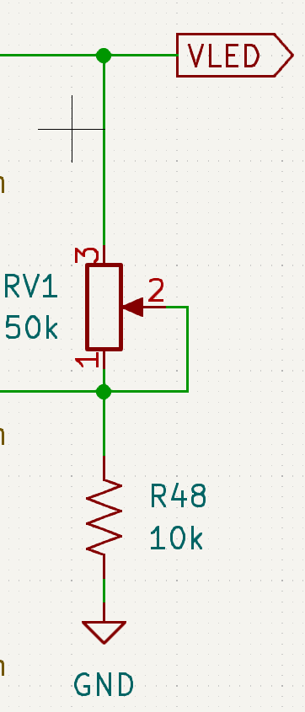
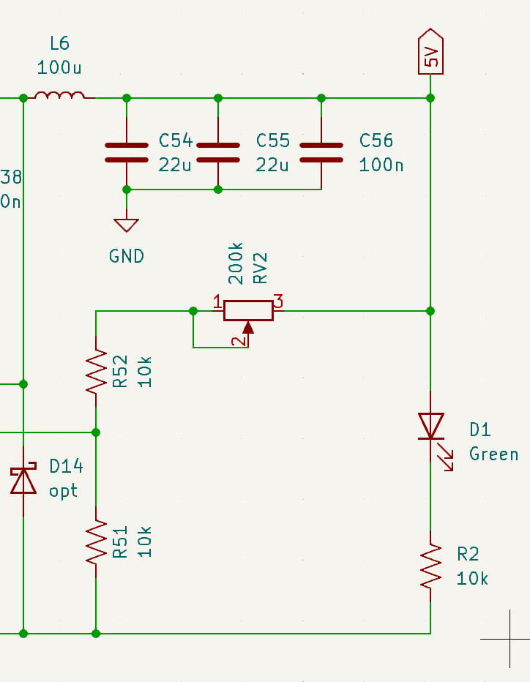
Vreg 12V feedback

Vfb | 0.925 | V
VLED | 12.6 | V

R48 | 10 | k
RV1 | 126.21621622 | k

5V Vreg
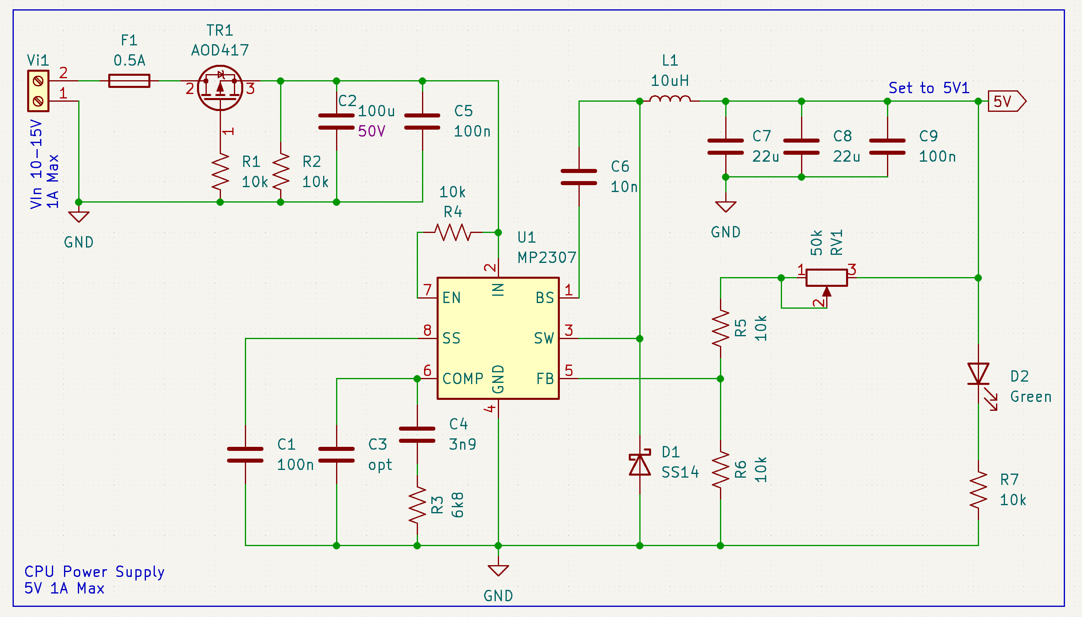

Vreg 5V feedback |  |  | Inductor values |  |  | Input Caps |  |  | Output Caps |  |  | Original compensation |  |  | Selected compensation

Vfb | 0.925 | V | Vin | 12 | V | IC2 | 0.49434299833 | A | C7 + C8 | 44 | uF | Gea | 820 | uA/V | Gea | 820 | uA/V
5V | 5.1 | V | I Load | 1 | A |  |  |  |  |  |  | Aea | 400 | V/V | Aea | 400 | V/V
 |  |  | diL | 40 | % | C2 | 10 | uF | dVout | 3.2757808702 | mV | Gcs | 5.2 | V/A | Gcs | 5.2 | V/A
R5 | 10 | k | dIL | 0.4 | A |  |  |  |  |  |  | Vfb | 0.925 | V | Vfb | 0.925 | V
R6 | 10 | k | fs | 340 | kHz | dVin | 71.875 | mV |  |  |  | fs | 340 | kHz | fs | 340 | kHz
RV1 | 35.135135135 | k
 |  |  | L1 | 21.5625 | uH |  |  |  |  |  |  | V Load | 3.3 | V | V Load | 5 | V
 |  |  |  |  |  |  |  |  |  |  |  | I Load | 3 | A | I Load | 1 | A
 |  |  | L1 sel | 22 | uH |  |  |  |  |  |  | C4 | 3.9 | nF | C4 | 4.7 | nF
 |  |  | L1-peak | 1.1960227273 | A |  |  |  |  |  |  | C7 + C8 | 10 | uF | C7 + C8 | 44 | uF
 |  |  |  |  |  |  |  |  |  |  |  | R3 | 6.8 | k | R3 | 1.5 | k
 |  |  |  |  |  |  |  |  |  |  |  | Rload | 1.1 | R | Rload | 5 | R

 |  |  |  |  |  |  |  |  |  |  |  | Avdc | 641.33333333 | V/V | Avdc | 1924 | V/V
 |  |  |  |  |  |  |  |  |  |  |  | fp1 | 83.658367523 | Hz | fp1 | 69.418645391 | Hz
 |  |  |  |  |  |  |  |  |  |  |  | fz1 | 6001.3176128 | Hz | fz1 | 22575.169233 | Hz
 |  |  |  |  |  |  |  |  |  |  |  | fp2 | 14468.63119 | Hz | fp2 | 723.43155951 | Hz

 |  |  |  |  |  |  |  |  |  |  |  | fc | 24.005270451 | kHz | fc | 90.300676932 | kHz
 |  |  |  |  |  |  |  |  |  |  |  | fc max | 34 | kHz | fc max | 34 | kHz

 |  |  |  |  |  |  |  |  |  |  |  | R3 min | 1261.9480669 | R | R3 min | 31647.151523 | R
 |  |  |  |  |  |  |  |  |  |  |  | R3 max | 1787.3672518 | R | R3 max | 11915.781679 | R

